Legend_PLT
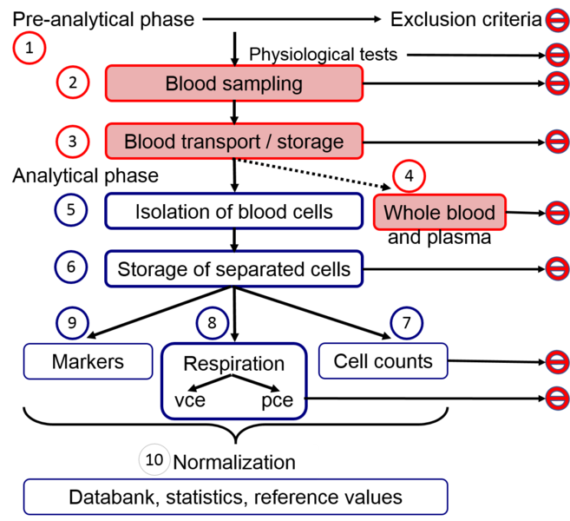
Template for collecting respiratory data from human blood cells (PLTs) for data repository
 | No personal information is stored in this file; https://ec.europa.eu/info/law/law-topic/data-protection/reform/what-personal-data_en
 | No data are accepted without ethics approval; http://ec.europa.eu/research/participants/docs/h2020-funding-guide/cross-cutting-issues/ethics_en.htm
 | This template is designed to collect the data from respirometry of blood cells. The structure of the template corresponds to the structure of the manuscript in preparation for WG4 with working title:
 | MitoEAGLE blood cells group (2018) An interlaboratory guide through procedures for mitochondrial respiratory studies with intact and permeabilized peripheral blood mononuclear cells and platelets.
 | (http://www.bioblast.at/index.php/MitoEAGLE_blood_cells_1)
 | the template contains an example of data collected from one person
Template description:
- | The template starts with information about source of the data and proceeds with sections collecting project information (A-F) and #1 information on the pre-analytical phase (G-AA)
 | the information about #2 sampling procedure (AB-AH), #3 storage of blood (AI-AM), and #4 whole blood cell counts (AN-BC),
- | The information about #5 blood cells isolation (BD-BG), #6 final cell suspension and its storage before counting (BH-BN), and #7 counting (BO-CE).
- | The information about time delay between counting and respirometry is collected in column CE.
- | Data from respirometry #8 are collected at columns CF-DD and further if the SUIT protocol is longer.
- | The SUIT protocol number is selected from library of SUIT protocols in MitoPedia (http://www.bioblast.at/index.php/MitoPedia:_SUIT).
- | All respiratory states are named according the steps in selected SUIT protocol (shown in SUIT code at the library).
- | All fluxes are expressed in amols O2 per second per single cell of target cell type. The fluxes collected here are not corrected for contribution by contaminating cells.
- | Corrections for contribution by contaminating cells could be done in the next columns exactly describing the correction method.

Explanations to the columns:

Column | Name | Definition | Fig. 1. Workflow and topics of the manuscript in preparation.
A | Source | published or unpublished data, mentioned if it is included in a figure or table of the manuscript and name as follows: [Name of user] Figure [Number of figure of user], e.g. Sarah Piel Figure 1 | SUIT protocols for measurement of respiration in intact
I | Ethnicity | Asian, African American, White Caucasian, Hispanic or Latino | cells (viable cells, vce) and permeabilized cells (pce).
M-N | Medication | NA=not asked, 1 - Yes, 2- No; Details: text, any medication the patient is taking, e.g. paracetamol, statins, antiplatelet agents, metformin, etc.
O-P | Underlying medical conditions | text, any comorbidities the person might have
Q | Pregnancy | NA=not asked, 1 - Yes, 2- No
X | Smoking | NA=not asked, 1 - Yes, 2- No
Y | Alcohol intake | NA=not asked, 0=no alcohol intake, 1, 2, >1, >2; 1 unit of alcohol: 250 mL of beer or 76 mL of wine, 25 mL whiskey; 1 unit/day for woman, 2 units/day for man = normal diet;
Z | Diet | text, e.g. normal, ketoenic diet, etc.
AA | Weekly physical activity | NA= not asked, light, moderate, vigorous (in accordance with CDC and ACSM guidelines; https://www.cdc.gov/physicalactivity/basics/adults/index.htm ; https://www.cdc.gov/nccdphp/dnpa/physical/pdf/PA_Intensity_table_2_1.pdf )
AB | Strenous physical activity restriction | time (h) since last strenous physical activity (minimum 48 h)
AD | Resting | minimum of 15 min sitting or lying down
AI | Storage of the blood | time interval between blood collection to initiation of isolation procedure
AK | Agitation method | tilting, rolling
BC | Abnormalities | any blood count or other types of abnormalities e.g. leucocytosis, thrombocytopenia, leukemia
BF | Isolation duration | duration of isolation procedure
BK | Storage of the cells | time interval between end of isolation procedure and counting, if there is no storage, enter -
BO | Count from stock/chamber | was the cell count for respirometry performed on a concentrated cell suspension (stock) and then diluted to the final cell concentration in the chamber or was the cell count performed from the suspension in the chamber
CE | Time delay counting -> respirometry | time interval between counting and respirometry
CO | Initial CNce | initial number concentration of all target cells
CP | Inicial CNvce | initial number concentration of viable target cells
CR | SUIT protocol: | e.g. 7 - the number of the SUIT protocol according MitoPedia (http://www.bioblast.at/index.php/MitoPedia:_SUIT), add the number and columns for another SUIT protocol(s) if performed with the same blood cells

AT; AX-BB; BV; CB-CD; CP; | The data marked with red colour are calculated from already inserted values

Abbreviations in blood cell counting: | Name | Definition

 | WBC | white blood cells
 | PLT | platelets
 | NEUTR | neutrophils
 | LYMPH | lymphocytes
 | MONO | monocytes
 | PBMC | peripheral blood mononuclear cells = LYMPH + MONO
 | PDW | platelet distribution width [fL] (PDW and MPV are platelet indices, which increase during platelet activation)
 | PDW | platelet distribution width [%] - some hematology analyzers show PDW in %
 | MPV | mean platelet volume (MPV and PDW are platelet indices, which increase during platelet activation)

The name of the filled template for data repository or MitoEAGLE manuscript should include country, town, name of O2k-Network laboratory (http://wiki.oroboros.at/index.php/O2k-Network), cell type,
 | the number of used SUIT protocol according to MitoPedia (http://www.bioblast.at/index.php/MitoPedia:_SUIT), the year of data collection, the version of the template and the date of the update.
 | If more protocols are run in parallel with the same blood cells, the part for respirometry should be extednded to show results from all available protocols.

 | Example: AT_Innsbruck_Gnaiger E_PBMC_CCP(S)_SUIT1_SUIT7_2017_v1_2018-06-01

Example of counting from stock/chamber:
BO-BP | Count from stock/chamber, *Dilution for count:
- | If the isolated cell fraction is resuspended in a small volume of media and small volume from this stock suspension is added into O2k chamber,
 | the counting can be performed either from another subsample of the stock suspension or from the suspension in O2k chamber.
- | For counting from stock suspension dilution 10 is usually used. For counting from O2k chamber the dilution could be calculated.
 | Example: 140 µl of stock suspension is added to 2000 µL of medium in O2k. 100 µL of this well stirred cell suspension is taken from O2k chamber for counting. The dilution for counting is 2140/140 = 15.29.
- | If isolated cell fraction is resuspended in bigger volume of media (5 mL of MiR05, 37°C) for replacing whole chamber content with this suspension for respirometry, the subsample from this suspension is counted and dilution is 1.

